Clients Requirement
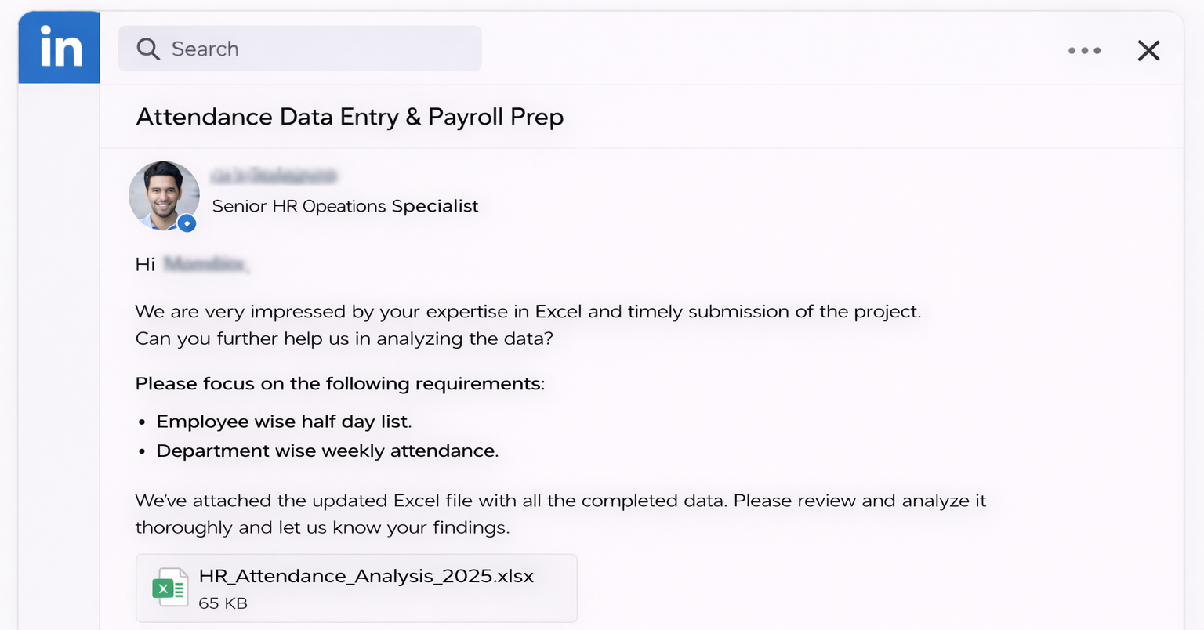

Clients's Requirement

Home Work
Write Sales Executives attendance in first week in the comment section of this video :)

Solve this querie and I'll Pay you Good amount...


Requirement
Designation wise Weekly attendance

